Yearly Top Ten
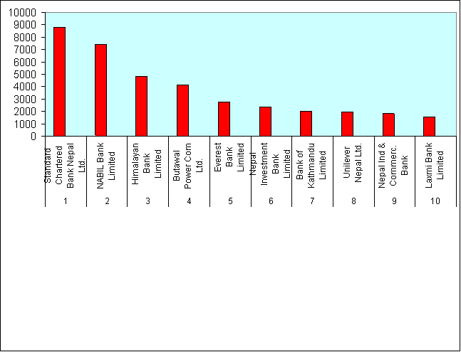
Yearly top
List of top ten companies
Top ten on the basis of traded Amount
17July 2004 to 16th July 2005 (Fiscal Year 2061/062)

 |  | Name of the companies | Amount Traded
 | S.NO |  | (Rs. In Million)
 | 1 | Standard Chartered Bank Nepal Lt | 2317.88
 | 2 | Bank Of Kathmandu Ltd. | 242.18
 | 3 | Kumari Bank Limited | 239.1
 | 4 | Nabil Bank Ltd. | 211.21
 | 5 | Laxmi Bank Limited | 160.58
 | 6 | Lumbini Bank Limited | 158.22
 | 7 | Nepal Investment Bank Ltd. | 137.51
 | 8 | Everest Bank Ltd. | 122.76
 | 9 | Himalayan Bank Ltd | 101.61
 | 10 | Himalayan Distillery Limited | 93.58

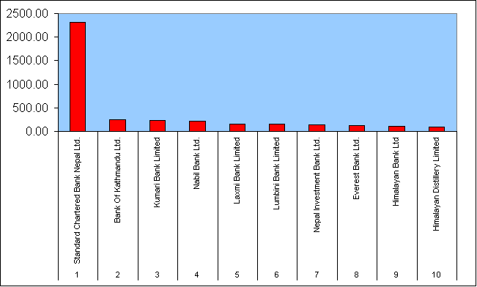

 | Top ten on the basis of Share traded

 |  | Name of the companies | No Of Share
 |  |  | (Traded in '000)
 | 1 | Harisiddhi Bricks & Tile Fact. Ltd. | 6653
 | 2 | NCM Mutual Fund | 2326
 | 3 | Standard Chartered Bank Nepal Lt | 1319
 | 4 | Himalayan Bank Ltd | 936
 | 5 | Lumbini Bank Limited | 906
 | 6 | Kumari Bank Limited | 906
 | 7 | Laxmi Bank Limited | 729
 | 8 | Bank of Kathmandu Ltd. | 667
 | 9 | Machha Puchchhre Bank Ltd. | 410
 | 10 | Nepal Bangladesh Bank Limited | 317

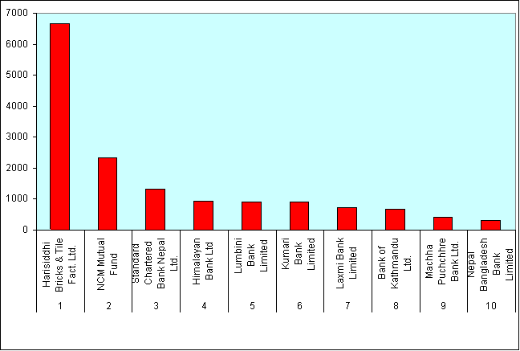

 | Top ten on the basis of Number of Transactions

 | Company Name |  | No of transactions

 | 1 | Kumari Bank Limited | 23081
 | 2 | Lumbini Bank Limited | 15735
 | 3 | Laxmi Bank Limited | 5693
 | 4 | Fewa Finance Co. Ltd. | 4374
 | 5 | Cosmic Merchant & Finance Co. L | 3987
 | 6 | World Merchant Banking & Financ | 3380
 | 7 | Bank of Kathmandu Limited | 3210
 | 8 | Prudential Insurance Co. Ltd. | 2973
 | 9 | Nepal Bangladesh Bank Limited | 2489
 | 10 | Nepal Ind & Commerc. Bank | 2425

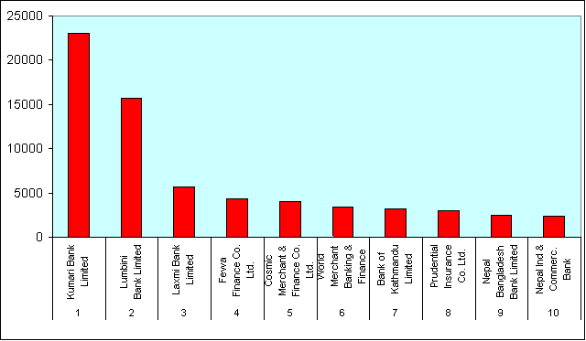

 | Top ten on the basis of Market Capitalization
 |  | Name of the Company | Capitalization
 |  |  | Rs. In Million
 | 1 | Standard Chartered Bank Nepal Lt | 8785.32
 | 2 | NABIL Bank Limited | 7389.47
 | 3 | Himalayan Bank Limited | 4830
 | 4 | Butawal Power Com Ltd. | 4111.38
 | 5 | Everest Bank Limited | 2740.5
 | 6 | Nepal Investment Bank Limited | 2362.34
 | 7 | Bank of Kathmandu Limited | 1993.4
 | 8 | Unilever Nepal Ltd. | 1973.51
 | 9 | Nepal Ind & Commerc. Bank | 1830
 | 10 | Laxmi Bank Limited | 1567.5

